Sheet1
PRELIMINARY DESIGN |  |  |  |  | Caution: Do not change/edit the datas
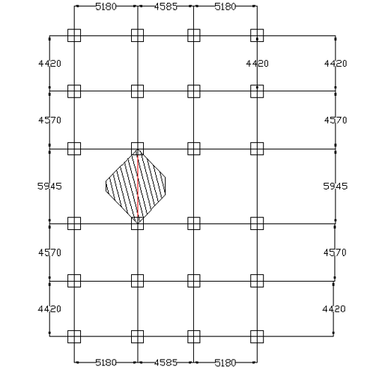
BEAM DESIGN

1) Deflection criteria

 | 12 | (10-15) IS 456:2000 Clause 23.2.1
L= | 5945 mm | (largest length of beam/critical beam/longest span)
depth of beam (d)= | 5945/12
= | 495.42 mm
≈ | 500 mm
 | 1.5 | (width of beam: 0.5 to 0.75 of depth)
width of beam (b)= | 495.42/1.5
= | 330.28 mm
≈ | 340.0 mm
Provide beam of size 340mm X 500mm.

2) Moment criteria

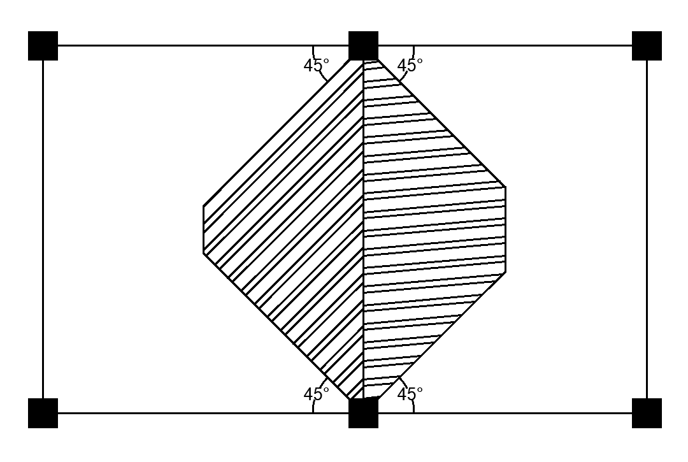
Live Load (LL)= | 4 KN/m2
Floor Finish(FF)= | 1.20 KN/m2
Thickness of slab(Ds)= | 0.15m
Height of wall (hw)= | 2.438m
Thickness of wall(tw)= | 0.23m
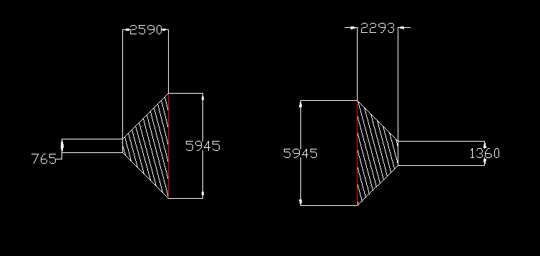
length of beam(lb)= | 5.945m
width of beam(bb)= | 0.34m
depth of beam(Db)= | 0.50m
adjacent beam length (right)= | 4585mm
adjacent beam length (left)= | 5180mm
A1= | 1.36m
B1= | 5.945m |  | B1=B2=5.945m
A2= | 0.765m
B2= | 5.945m
h1= | 2.293m
h2= | 2.59m
Shaded area (Ab)=
= | [{(1.36+5.945)/2*}2.293]+[{(0.765+5.945)/2*}2.59]
= | 17.060m2
Total load (W)= | (LL*Ab)+(FF*Ab) + (γc*Ab*Ds) + (γw*hw*tw*lb) + (γc*lb*bb*Db)
= | (4*17.06)+(1.2*17.06)+(25*17.06*0.15)+(19.2*2.438*0.23*5.945)+(25*5.945*0.34*0.5)
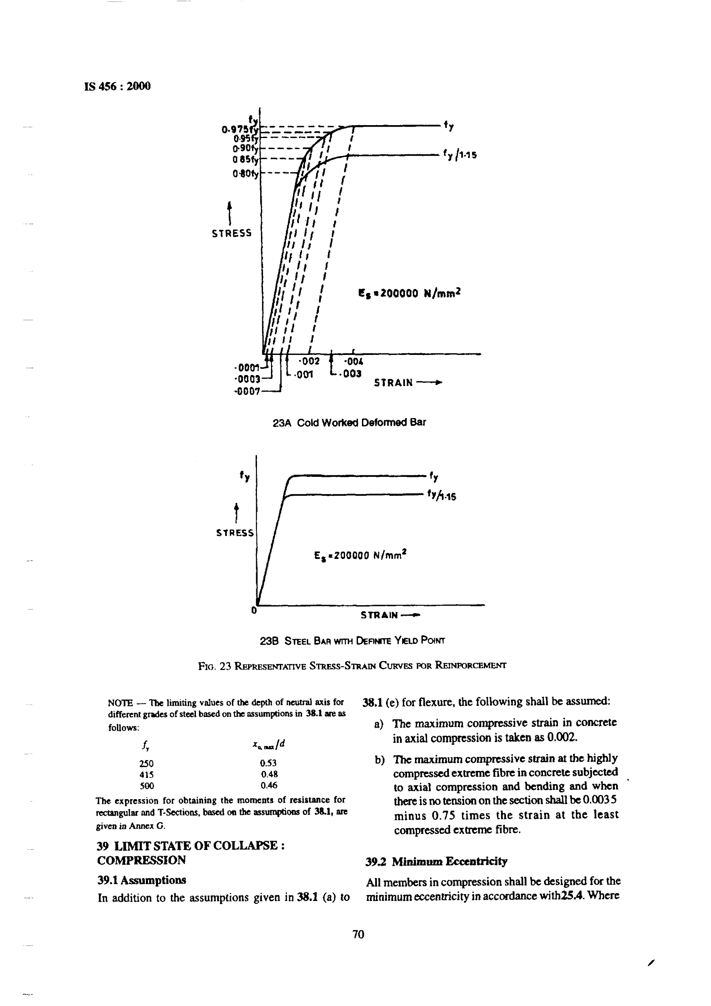
= | 241.969 KN

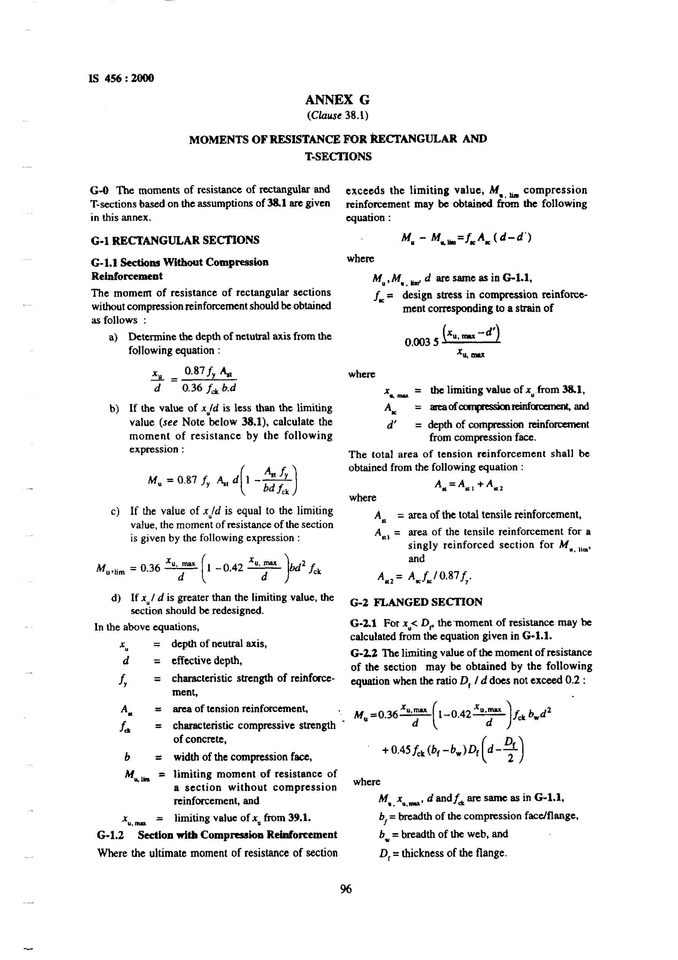
 |  |  |  | fy | Xu,max/d
Factored load per meter(w)= |  |  |  | 250 | 0.53
= | 61.05 KN/m |  |  | 415 | 0.48
Maximum Moment (Mmax)= |  |  |  | 500 | 0.46
= | 215.78 KN-m
Grade of concrete (fck)= | 20N/mm2
Grade of steel (fy)= | Fe500
Mu.lim= | 0.1336 fck*b*dreq^2
215.776*10^6= | 0.1336*20*340*dreq^2
dreq= | 487.353mm
≈ | 490mm
 | 1.5 | (width of beam: 0.5 to 0.75 of depth)
b= | 487.353/1.5
= | 324.902mm
≈ | 330mm
Hence, Providing larger dimension of Beam of Size 340mmX500mm.

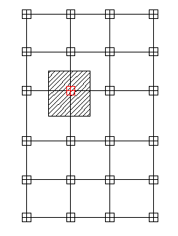
COLUMN DESIGN

Shaded Area (Ac)= | 25.67 m2
No. of floors= | 7
Lb'= | 10.141m
Db= | 0.500m
Bb= | 0.340m
hw= | 2.438m
tw= | 0.230m
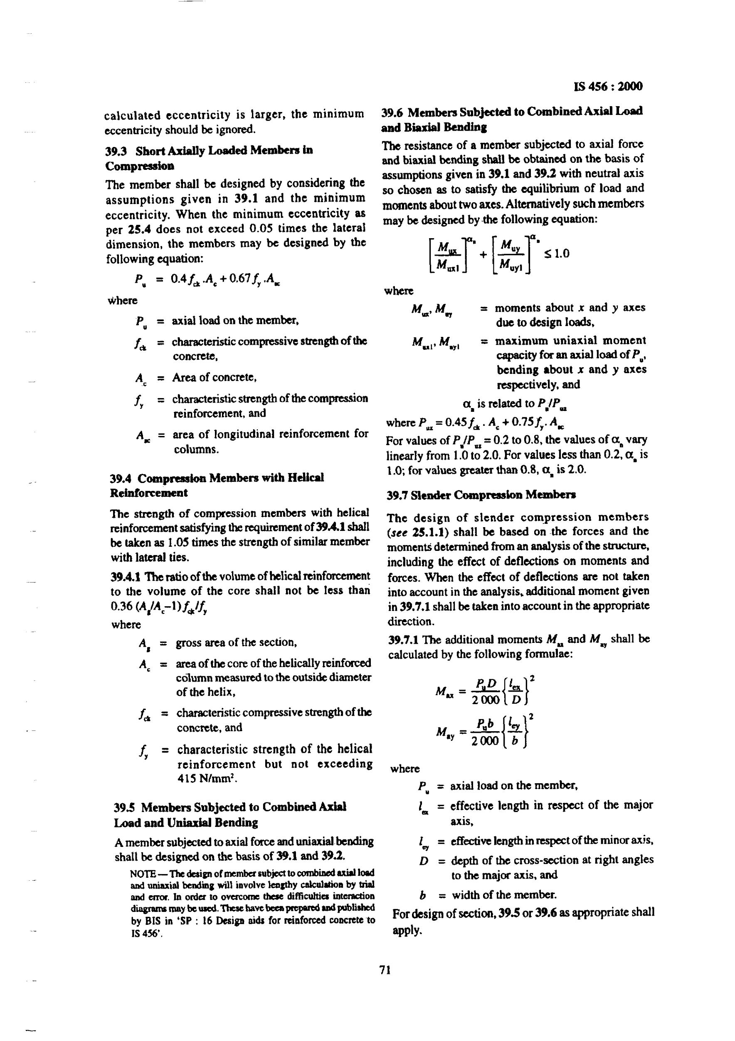
Pu= | [(LL*Ac)+(FF*Ac)+(25*Ac*Ds)+ (25*Lb'*Db*Bb)+(19.2*Lb'*hw*tw)]* no. of floor
= | 2674.181KN
Factored load= | 4011.272KN
Let percentage of steel (P%)= | 1.2
fy= | 500N/mm2
fck= | 25N/mm2
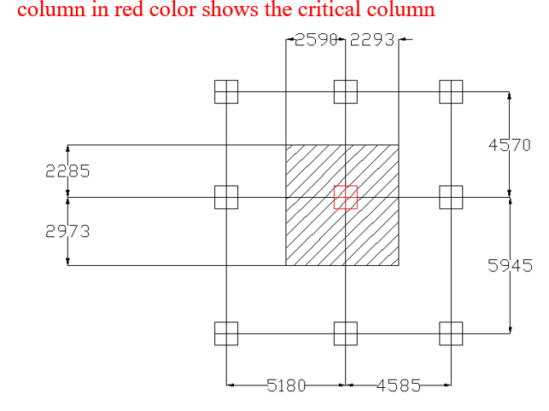
Ac=
As=
Pu= | (0.4*fck*Ac)+(0.67*fy*As)
4011.27*10^3 | [{0.4*25*((100-1.2)/100)*Ag}+{0.67*500*(1.2/100)*As}]
Ag= | 288580.690
bc=Dc= | 537.197mm2
≈ | 540mm
Hence, provide column of size 540mmX540mm.

